Data Dictionary
Data Dictionary |  |  |  |  |  |  | Streamwatch Site Locations

 |  |  |  |  |  |  | Code | Lat | Lon
 |  |  |  |  |  |  | AC1 | 40.21823185 | -74.76312495
 |  |  |  |  |  |  | AC1a | 40.218163877 | -74.764546792
How to understand each part of the StreamWatch data |  |  |  |  |  |  | AC2 | 40.230920413 | -74.742232957
 |  |  |  |  |  |  | AC3 | 40.234552252 | -74.738779781
 |  |  |  |  |  |  | AC4 | 40.264000753 | -74.711370593
Data Condition |  |  |  |  |  |  | AC5 | 40.269900552 | -74.671827597
 |  |  |  |  |  |  | AC6 | 40.241915 | -74.594794
 |  |  |  |  |  |  | AC7 | 40.218461906 | -74.560237396
Data conditions refer to the quality assurance status of data, indicating the extent to which the data has been reviewed or verified. Some datasets may be professionally checked and validated to varying degrees, while others remain unverified. Although unverified data can still be valid, it is essential to note its review status before drawing scientific conclusions. |  |  |  |  | Accepted | Data has been reviewed and meets quality standards without requiring changes. | AC8 | 40.207211 | -74.54986
 |  |  |  |  |  |  | AC9 | 40.245770681 | -74.730166722
 |  |  |  |  |  |  | APL1 | 40.215455614 | -74.517453524
 |  |  |  |  |  |  | ATL1 | 40.17545974 | -74.58657222
 |  |  |  |  | Corrected | Data contained issues that have been identified and fixed. | AWL1 | 40.40017 | -74.84299
 |  |  |  |  |  |  | AX1 | 40.378611655 | -74.94892459
 |  |  |  |  |  |  | AX2 | 40.40321948 | -74.91392507
 |  |  |  |  |  |  | BB1 | 40.318355 | -74.612535
Corrected; Erroneous | Data was found to be incorrect, corrected, but still flagged due to serious past errors. |  |  |  | Corrected; Incomplete | Incomplete data that has been partially fixed or supplemented. | BB2 | 40.27821 | -74.57708
 |  |  |  |  |  |  | BD1 | 40.419799 | -74.639232
 |  |  |  |  |  |  | BD1a | 40.41603 | -74.64303
 |  |  |  |  |  |  | BD2 | 40.41563 | -74.663751
Duplicate | Repeated data entries that do not provide new information. |  |  |  | Erroneous | Data contains known errors and is unreliable without correction. | BD3 | 40.394541 | -74.700893
 |  |  |  |  |  |  | BD4 | 40.384291196 | -74.740592277
 |  |  |  |  |  |  | BD5 | 40.38612 | -74.760689
 |  |  |  |  |  |  | BD6 | 40.421583 | -74.632383
Flagged | Data is marked for review due to potential issues or inconsistencies. |  |  |  | Incomplete | Data is missing key elements or measurements. | BK1 | 40.436012 | -74.656342
 |  |  |  |  |  |  | BLDL1 | 40.341629151 | -74.784013276
 |  |  |  |  |  |  | BRL1 | 40.310826578 | -74.512083386
 |  |  |  |  |  |  | CAN1 | 40.43613219 | -74.614576335
Minor Deviation | Data shows small inconsistencies but is generally usable. |  |  |  | Minor Deviation; Corrected | Slight issues were found and corrected. | CAN-DP | 40.331639 | -74.652628
 |  |  |  |  |  |  | CAN-LM | 40.528738 | -74.582012
 |  |  |  |  |  |  | CB1 | 40.326652 | -74.602932
 |  |  |  |  |  |  | CB2 | 40.309792897 | -74.516766783
Moderate Deviation | Data shows noticeable inconsistencies that may affect reliability. |  |  |  | Provisional | Data is preliminary and subject to change upon further review. | CB3 | 40.32612 | -74.603479
 |  |  |  |  |  |  | CB4 | 40.305142 | -74.473197
 |  |  |  |  |  |  | CB5 | 40.329932822 | -74.545562186
 |  |  |  |  |  |  | CC1 | 40.13452 | -74.55837
Site Conflict | Data conflicts with other data from the same site or location. |  |  |  | Unchecked | Data has not yet been reviewed or verified for accuracy. | CH1 | 40.382737 | -74.684835
 |  |  |  |  |  |  | CL1 | 40.373941 | -74.620018
 |  |  |  |  |  |  | CL2 | 40.346475 | -74.62736
 |  |  |  |  |  |  | CL4 | 40.34173633 | -74.64746193
Notes |  |  |  |  |  |  | CL5 | 40.366859978 | -74.625683095
 |  |  |  |  |  |  | COL1 | 40.25535753 | -74.72386698
 |  |  |  |  |  |  | CR1 | 40.45709 | -74.685554
This is where important information unique to each entry can be entered if there is no established location on the spreadsheet. This may also include information regarding the data condition, such as clarifying what corrections have been started, completed, or need to be done. |  |  |  |  |  |  | CR2 | 40.45433983 | -74.6603695
 |  |  |  |  |  |  | CRL1 | 40.32272 | -74.77626
 |  |  |  |  |  |  | CTL1 | 40.28060895 | -74.73974597
Method |  |  |  |  |  |  | CVL1 | 40.27285 | -74.77947
 |  |  |  |  |  |  | DAM-6 | 40.530259 | -74.588298
 |  |  |  |  |  |  | DAM-7 | 40.531067 | -74.587167
The method describes how the data presented was collected, which can provide helpful information on certain aspects, such as the accuracy, of the entry. |  |  |  |  |  |  | DB1 | 40.333883 | -74.611664
 |  |  |  |  |  |  | DB2 | 40.33122427 | -74.61653891
 |  |  |  |  |  |  | DBA | 40.361847 | -74.545078
BACT |  | These samples are collected by streamwatch volunteers, and then processed to monitor E.Coli, Turbidity, and Nutrients in order to assess water quality and safety standards. |  |  |  |  | DBB | 40.3512855 | -74.5701336
 |  |  |  |  |  |  | DE1 | 40.360522 | -74.945435
 |  |  |  |  |  |  | DP3 | 40.30679474 | -74.66846693
BAT |  | StreamWatch BATS monitors the populations of organisms called macroinvertebrates. Water quality ratings are based on the abundance of various species and their sensitivity to pollutants. |  |  |  |  | DS21-1 | 40.24411084 | -74.65596438
 |  |  |  |  |  |  | EB1 | 40.21674678 | -74.47916302
 |  |  |  |  |  |  | Ely
Hanna |  | This data was collected using a Hannameter, which is a digital tool used to assess water quality. |  |  |  |  | ETL1 | 40.25342 | -74.49906
 |  |  |  |  |  |  | FC1 | 40.316658 | -74.882038
 |  |  |  |  |  |  | GMP1 | 40.31296 | -74.60634
LaMotte |  | This data was collected using a LaMotte kit, in which volunteers asses quality of water manually. |  |  |  |  | GRPL1 | 40.18783 | -74.68861
 |  |  |  |  |  |  | HA1 | 40.3659897 | -74.62746977
 |  |  |  |  |  |  | HA2 | 40.359046 | -74.638738
Site |  |  |  |  |  |  | HB1
 |  |  |  |  |  |  | HB2
 |  |  |  |  |  |  | HB3 | 40.370762 | -74.619244
The location of the waterbody each sample was taken from is represented as a code. In general, each letter combination is a unique water body (AC1) . Additional numbers following a code (AC1) distinguish specific areas within the water body. Refer to StreamWatch site Locations table. |  |  |  |  |  |  | HL1 | 40.347989 | -74.747183
 |  |  |  |  |  |  | HL2 | 40.346236 | -74.744284
 |  |  |  |  |  |  | HL3
Date / Time |  |  |  |  |  |  | HO1 | 40.34053 | -74.74313
 |  |  |  |  |  |  | HO2 | 40.35743237 | -74.76558133
 |  |  |  |  |  |  | HO3 | 40.36118929 | -74.76701851
The date the sample was collected is listen in Day of the Week, Month, Day, Year format. The time the sample was taken is listed in 2400 format. |  |  |  |  |  |  | HO3a | 40.36027752 | -74.76792692
 |  |  |  |  |  |  | JC0 | 40.34156 | -74.83849
 |  |  |  |  |  |  | JC1 | 40.33163 | -74.83605
Air Temperature |  |  |  |  |  |  | JC2 | 40.32816 | -74.83641
 |  |  |  |  |  |  | JC3 | 40.31851 | -74.83803
 |  |  |  |  |  |  | JC4 | 40.31363 | -74.83749
Temperature of the air at the collected site measured in celsius. |  |  |  |  |  |  | JC4A
 |  |  |  |  |  |  | JC4T
 |  |  |  |  |  |  | JC5 | 40.306218 | -74.834236
Water Temperature |  |  |  |  |  |  | JC6 | 40.298631 | -74.834935
 |  |  |  |  |  |  | JC9 | 40.28020187 | -74.85087717
 |  |  |  |  |  |  | LSC1 | 40.2702333 | -74.7152769
Temperature of the water at the collected site measured in celsius. |  |  |  |  |  |  | LSP1 | 40.2932674 | -74.72543772
 |  |  |  |  |  |  | MB1 | 40.348853 | -74.687823
 |  |  |  |  |  |  | MB2 | 40.365095 | -74.676771
Nitrate |  |  |  |  |  |  | MB3 | 40.36372511 | -74.68023219
 |  |  |  |  |  |  | MB5 | 40.36775374 | -74.66433427
 |  |  |  |  |  |  | MDWL1 | 40.25812356 | -74.52017745
This column showcases the concentration of nitrate in the samples , measured in micrograms per liter. |  |  |  |  | Nitrate is a chemical compound with the formula NO₃⁻. It’s commonly found in fertilizers, agricultural runoff, sewage, and natural soils. |  | MI2 | 40.24395913 | -74.65946578
 |  |  |  |  |  |  | MI3 | 40.249184 | -74.710967
 |  |  |  |  |  |  | MI4 | 40.24687376 | -74.68591767
 |  |  |  |  |  |  | MI4b | 40.246855 | -74.687627
 |  |  |  |  |  |  | MO1 | 40.324422 | -74.916858
 |  |  |  |  |  |  | MR1 | 40.33539161 | -74.62408626
NIT4_GL |  |  |  |  |  |  | MR2 | 40.32198555 | -74.60785775
 |  |  |  |  |  |  | MR3 | 40.4389978 | -74.61781529
 |  |  |  |  |  |  | MR4 | 40.406845 | -74.636532
For data collected using the LaMotte method, a note is made indicating if the results of the data is above or below the kits detection limit. A detection limit is the lowest concentration of a substance that can be reliably distinguished from zero. |  |  |  |  |  |  | MR5 | 40.474581 | -74.575414
 |  |  |  |  |  |  | MR6 | 40.475366 | -74.576316
 |  |  |  |  |  |  | MR7 | 40.5036941 | -74.5873313
< |  |  | Indicates that this measurement was below the detection limit. |  |  |  | MR8 | 40.542217 | -74.567971
 |  |  |  |  |  |  | MRA | 40.20887073 | -74.39386478
 |  |  |  |  |  |  | MRB | 40.261581 | -74.420033
= |  |  | Indicates that this measurement was within the detection limit. |  |  |  | MRC | 40.274531 | -74.472055
 |  |  |  |  |  |  | MRCL1 | 40.26577978 | -74.64170538
 |  |  |  |  |  |  | MRD | 40.29311613 | -74.52693313
> |  |  | Indicates that this measurement was greater than the detection limit. |  |  |  | PB1 | 40.3924 | -74.835091
 |  |  |  |  |  |  | PL1 | 40.270199 | -74.522059
 |  |  |  |  |  |  | PMRL1 | 40.363234 | -74.676843
Phosphates |  |  |  |  |  |  | PNVL1 | 40.22671741 | -74.43795496
 |  |  |  |  |  |  | PP1 | 40.32761956 | -74.60089408
 |  |  |  |  |  |  | PR1 | 40.443659 | -74.646608
This column showcases the concentration of phosphates in the samples, measured in milligrams per liter. |  |  |  |  | Phosphate is a chemical containing phosphorus It occurs naturally but is also added to water and soil through fertilizers, detergents, and sewage. In water, excessive phosphate can cause eutrophication—an overgrowth of algae that depletes oxygen and harms aquatic life. |  | PR2 | 40.419812 | -74.640589
 |  |  |  |  |  |  | PR2a | 40.42650113 | -74.6437433
 |  |  |  |  |  |  | PR3 | 40.46807328 | -74.6488329
 |  |  |  |  |  |  | PRP1 | 40.34999308 | -74.56090608
 |  |  |  |  |  |  | PRP1a | 40.3497721 | -74.5646314
 |  |  |  |  |  |  | RB1 | 40.23206635 | -74.46166422
 |  |  |  |  |  |  | RB2 | 40.28306229 | -74.5369364
PHOS_GL |  |  |  |  |  |  | RBA | 40.27351 | -74.52587
 |  |  |  |  |  |  | RK1 | 40.419703 | -74.721872
 |  |  |  |  |  |  | RK2 | 40.41298743 | -74.67967457
Refer to the NIT4_GL section. |  |  |  |  |  |  | RO1 | 40.50206 | -74.6257
 |  |  |  |  |  |  | RO1a | 40.505462 | -74.623596
 |  |  |  |  |  |  | RO2 | 40.532199 | -74.589529
pH |  |  |  |  |  |  | ROL1 | 40.33082784 | -74.75745111
 |  |  |  |  |  |  | SB1 | 40.33300003 | -74.68198851
 |  |  |  |  |  |  | SB2 | 40.352824 | -74.710443
pH is a measure of how acidic or basic (alkaline) a substance is, on a scale from 0 to 14. It tells us how many hydrogen ions (H⁺) are present in a solution. pH matters because it affects solubility and availability of nutrients and metals which influences aquatic organisms' health—most can only survive in a narrow pH range. Shifts in pH can indicate pollution, chemical discharge, or biological activity. |  |  |  |  |  |  | SB3 | 40.358549 | -74.691108
 |  |  |  |  |  |  | SB4 | 40.33175 | -74.77833
 |  |  |  |  |  |  | SB4b | 40.333278 | -74.781994
PH_GL |  |  |  |  |  |  | SB5 | 40.37422 | -74.793866
 |  |  |  |  |  |  | SB6 | 40.331361 | -74.767026
 |  |  |  |  |  |  | SB9 | 40.33097 | -74.6542
Refer to the NIT4_GL section. |  |  |  |  |  |  | SBA | 40.34959207 | -74.78258391
 |  |  |  |  |  |  | SBB | 40.401455 | -74.804601
 |  |  |  |  |  |  | SBC | 40.388042 | -74.827295
Turbidity |  |  |  |  |  |  | SBD | 40.39249 | -74.840781
 |  |  |  |  |  |  | SBE | 40.403407 | -74.854718
 |  |  |  |  |  |  | SC1 | 40.24883233 | -74.75619916
Turbidity is a measure of how clear or cloudy water is, caused by the presence of suspended particles such as silt, clay, organic matter, algae, and microscopic organisms that scatter and absorb light. High turbidity can reduce light penetration, affecting photosynthesis of aquatic plants, raise water temperature by absorbing more sunlight, clog fish gills and harm aquatic organisms. High turbidity often indicates erosion, runoff, algal blooms, or pollution. |  |  |  |  |  |  | SC2 | 40.25721995 | -74.72958715
 |  |  |  |  |  |  | SC3 | 40.28491402 | -74.76642177
 |  |  |  |  |  |  | SC4 | 40.26317785 | -74.75961274
 |  |  |  |  |  |  | SC5 | 40.25424172 | -74.72174485
TURB_GL |  |  |  |  |  |  | SC6 | 40.25696409 | -74.74969525
 |  |  |  |  |  |  | SHA | 40.346772 | -74.557317
 |  |  |  |  |  |  | SM1 | 40.472819 | -74.570867
Refer to the NIT4_GL section. |  |  |  |  |  |  | SM2 | 40.469734 | -74.544169
 |  |  |  |  |  |  | SM3 | 40.455369 | -74.514532
 |  |  |  |  |  |  | SPBP1 | 40.50947 | -74.56543
DO ppm / %DO |  |  |  |  |  |  | SPBP2 | 40.51015 | -74.56064
 |  |  |  |  |  |  | SW1 | 40.364043 | -74.945042
 |  |  |  |  |  |  | SYL1 | 40.27151866 | -74.77529341
Dissolved oxygen is the amount of gaseous oxygen (O₂) present in water, available for aquatic organisms to use for respiration. Fish, macroinvertebrates, and aerobic bacteria require DO to survive. DO is measured two ways, in parts per milion (1mg/Liter), or in percent saturation. |  |  |  |  |  |  | SYNL1 | 40.41237245 | -74.69811557
 |  |  |  |  |  |  | TM1 | 40.456507 | -74.585697
 |  |  |  |  |  |  | WB1 | 40.3087961 | -74.8828829
 |  |  |  |  |  |  | WB2A | 40.307143 | -74.83381
DO ppm |  |  |  |  | %DO |  | WB2B
 |  |  |  |  |  |  | WB2T
 |  |  |  |  |  |  | WP1 | 40.360509 | -74.76672
DO ppm stands for Dissolved Oxygen in parts per million. It measures the absolute concentration of oxygen dissolved in water. Measured in mg/L |  |  |  |  | %DO is the percentage of oxygen saturation relative to the maximum amount that water can hold at a given temperature, salinity, and pressure. For example, 100% DO means water is holding all the oxygen it can at that temperature. |  | WP2 | 40.35843823 | -74.76606038
 |  |  |  |  |  |  | WP3 | 40.359052 | -74.76559
 |  |  |  |  |  |  | WP4 | 40.35805278 | -74.76593258

DO is a direct indicator of water quality. High DO generally means good conditions for aquatic life, while low DO suggests pollution, high biological oxygen demand, or poor aeration. Low DO can indicate excessive organic pollution oralgal blooms, where DO rises during the day (photosynthesis) and drops drastically at night (respiration).

Conductivity

Conductivity is a measure of water’s ability to conduct electrical current. It depends on the concentration of dissolved ions (e.g. sodium, chloride, nitrate, sulfate, calcium, magnesium). Measured in µS/cm . Sudden increase in conductivity can signal: sewage or industrial discharge rich in ions, agricultural runoff containing fertilizers (nitrate, phosphate salts)

Chloride

Chloride (Cl⁻) is a negatively charged ion (anion) found commonly in natural waters. We measure chloride in mg/L It originates from dissolved salts, mainly sodium chloride (NaCl) but also potassium, calcium, or magnesium chloride. Chloride can originate from natural sources, or be causes by human action through road de-icing salts, sewage and wastewater discharges, industrial effluents, and gricultural runoff. Chloride is an indicator of pollution.

N. Bat

This number represents the number of bugs found by volunteers during a particular day at the specified site. This is used to assess stream health.

NJIS

New Jersey impairment score, measurment of water quality based upon bug counts. Lower scores represent higher habitat impairment.

HGMI.Family

This value represents the number of Ephemeroptera, Plecoptera, and Trichoptera, insect taxonomic orders for mayflies, stoneflies, and caddisflies. The relative abudence of these insect families can provide information about habitat health. HGMI stands for high gradient macroinvertibrate index.

What is a high gradient stream? A high gradient stream is characterized by a steep slope that causes rapid water flow, resulting in a high chance of eroison.
Elevation
Steeper Gradient

Genteler Gradient

River Length

HGMI.Genus

This column is very similar to the HGMI.Family column, but instead calculates a score based on the recorded genus instead of family. Utilizing genus instead of species allows a more in depth data, as it is a more specific measurment.

CPMI

The CPMI score is the costal plains macroinvertibrate index, which provides similar information to the HGMI, but in low gradient environments .

FBI

FBI stands for family biotic index, which is a subsection of the HGMI.family measurment. The FBI assigns a tolerance value to each family of macroinvertebrates, with higher values indicating greater sensitivity to pollution.

E. Coli Mod.

Indecaates how the E. Coli score fits into the limit of decetion. Refer to NIT4_GL section for further explaination of the <, =, > symbols.

E. Coli Result

Escherichia coli (E. coli) is a type of bacteria found in the intestines of humans and warm-blooded animals. Most strains are harmless, but some can cause illness. E. coli gets into streams through fecal contamination such as runoff from farms with livestock manure, leaking septic tanks or sewage systems and stormwater runoff carrying pet waste. The presence of E. coli in streams is used as an indicator of faecal pollution. It does not necessarily mean harmful bacteria are present, but it signals that pathogens from faeces may be in the water. E. Coli levels are tested to assess water safety for recreation (e.g. swimming, kayaking), determine drinking water risk if the stream feeds supplies, and to monitor ecosystem health. High E. coli levels suggest the possible presence of pathogens that can cause gastrointestinal illness, ear, eye, or skin infections, and more severe infections from certain strains (e.g. E. coli O157:H7). Safe levles are usually <235 CFU/100 mL (in the US EPA guidelines). We measure ecoli in MPN--most probable colonies per 100 mL.

Epifanual Substrate/ Available Cover

Epifaunal substrate refers to the hard surfaces within an aquatic environment that serve as a habitat for epifauna, which are organisms that live on or attached to the bottom of a water body.

Includes: |  |  |  | rocks, sand, gravel, logs, and other solid surfaces.

Embeddedness - High Gradient

Embeddedness is the degree to which larger substrate particles (like gravel, cobble, and boulders) are surrounded or buried by finer sediments (sand and silt)

Pool Substrate Characterization - Low Gradient

This metric focuses on the types and condition of the bottom materials within pools and their impact on aquatic life. Low gradient streams typically have substrates dominated by finer sediments like sand, mud, or clay, with less coarse material like gravel or cobble.

Velocity/ Depth Combination - High Gradient

In high-gradient or steep channels, the combination of water velocity and depth significantly impacts habitat diversity and overall stream health. High gradient channels are characterized by relatively steep slopes, often leading to supercritical flow, where the water velocity exceeds the speed of a small wave on the surface,

Pool Variability - Low Gradient

In low-gradient streams, pool variability refers to the variety of pool types present, including large-shallow, large-deep, small-shallow, and small-deep pools. A diverse mix of pool types is important for supporting a wide range of aquatic species. Low-gradient streams with low sinuosity and monotonous pool characteristics may not offer sufficient habitat diversity to sustain a healthy aquatic community.

Sediment Deposition

Sediment deposition is the process by which particles such as sand, silt, clay, gravel, and organic material carried by the stream are laid down or settle out of the water column and accumulate on the streambed or floodplain. Larger numbers represent optimal conditions (little/no new sediment deposits), whilst smaller numbers represent poor conditions (large amounts of new sediment deposits).

Channel Flow Status

Channel flow status refers to the amount and continuity of water flow within the stream channel at a given time. It describes how much of the streambed is covered by flowing water and whether the flow is continuous or intermittent. High numbers represent high continuous water flow, whilst low numbers represent little/no flow and standing pools.

Channel Alteration

Channel alteration refers to any change to the natural shape, structure, path, or flow characteristics of a stream channel. These changes can be natural (e.g. erosion, sediment deposition) or caused by human activities (e.g. straightening, dredging). High scores represent normal stream patterns, while low scores represent streams shored by structures/cement and over 80% channelized.

Frequency of Riffles - High Gradient

Riffles are shallow sections of a stream or river where water flows swiftly over a coarse substrate of gravel, cobble, or boulders, creating turbulence and surface disturbance (rippling or “white water”). High scores represent continuous and frequency riffles, and low scores repreent streams wirh mostly fla or shallow water and litle to no riffles.

Channel Sinuosity - Low Gradient

Channel sinuosity is a measure of how much a stream meanders or curves across its floodplain. It is calculated as Sinuosity = Channel length / Valley length​ Streams who become 3-4x longer with curves than if they were straight receive high scores, while those who do not notbaly increase with curves recieve lower scores.

Bank Stability - Left / Right

Bank stability refers to the ability of a streambank to resist erosion and maintain its shape, structure, and position over time under the forces of flowing water, gravity, and other environmental factors. High numbers represent more stable banks.

Factors effecting bank stability:

Vegetation Cover |  |  |  | Roots bind soil, increasing cohesion and resistance to erosion. Vegetation absorbs water, reducing soil saturation and slumping risk. Lack of vegetation reduces stability.

Soil Type and Composition |  |  |  | Clay and cohesive soils resist erosion better than sandy, non-cohesive soils. Mixed substrates with gravels and cobbles provide armoring against flow.

Bank Slope |  |  |  | Steeper banks (>45°) are more prone to collapse, especially when undercut. Gentle-sloped banks are more stable.

Hydrology and Flow Regime |  |  |  | High flow events or rapid fluctuations (e.g. from dams) increase erosion risk. Baseflow supports vegetation growth, improving stability.

Human Activities |  |  |  | Removal of riparian vegetation, livestock trampling, construction, or channel alterations destabilize banks. Bank armoring can prevent erosion but may shift problems downstream.

Groundwater Influence |  |  |  | Saturated banks are heavier and weaker, increasing slumping or mass wasting risk. Fluctuating groundwater levels can undermine bank material cohesion.

Bank Vegetative Protection - Left / Right

Bank vegetative protection refers to the use of plants and vegetation cover to stabilize streambanks, reduce erosion, and maintain the integrity of the channel edge. Higher scores indicate streams with over 90% of the bank covered by native vegetation. Example include: Grasses and Herbaceous Plants: Fast-growing with fibrous roots effective for surface erosion control. Shrubs: Deeper root systems than grasses, enhancing bank stability. Trees: Deep, strong roots provide significant structural reinforcement. Combined Riparian Vegetation: The most effective protection comes from multi-layered vegetation (grasses + shrubs + trees), offering surface cover, flow resistance, and deep root stabilization.

Riparian Vegetative Zone - Left / Right

The riparian vegetative zone is the area of vegetation directly adjacent to a stream, river, lake, or other waterbody. It includes trees, shrubs, grasses, and other plants growing along the banks and floodplain. This zone forms the transitional area between aquatic and upland ecosystems. This zone is important in Bank stabilization, water quality protection, habitat provision, temperature regulation, flood mitigation, and nutrient cycling. High score represent streams with large riparian vegetative zones, with human activities having little ipact on the zone.

Modeling Instructions
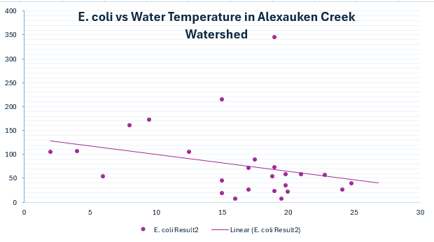
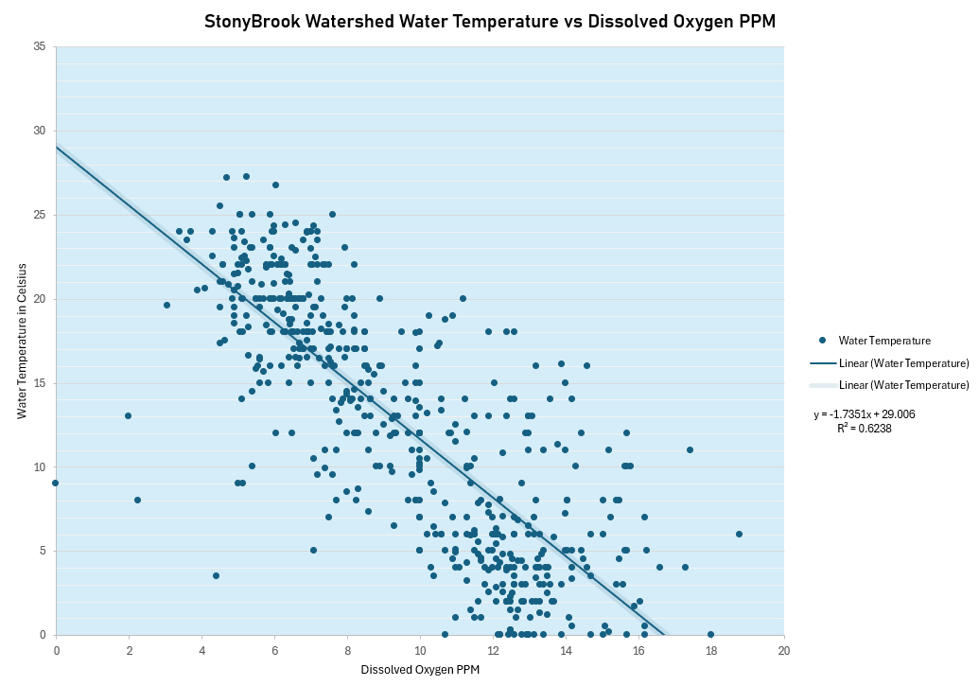
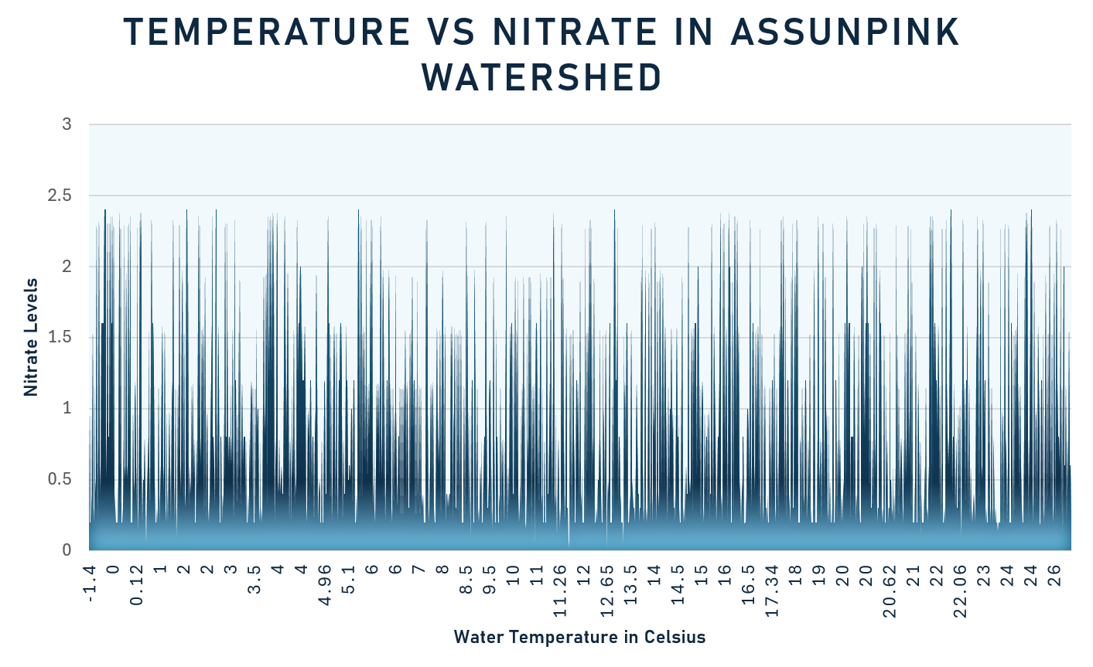
Modeling Instructions for Data Analysis

Why create models?

Data visualization is important because it makes complex data easier to understand, helping to reveal trends, patterns, and outliers at a glance. It supports better decision-making by presenting insights clearly and efficiently, saving time and making communication more effective—especially for non-technical audiences. By turning raw data into visual stories, it encourages exploration, understanding, and action.

Step 1: Picking Data

First, choose which data is of interest. Analyzing all data will likely provide a larger timeline of data for predicting trends, however large masses of data are often tricky to analyze. Focusing on a smaller subset, such as the the precreated subwatershed tabs, more provide visualizations that are easier to interpret. You can also create your own subsets of data using the filtering tool.

Creating Custom Subsets

To create a custom subset that is not one of the sub watersheds, you can utilize the filtering tool in excel to select exactly what you are interested in.

Click on the inverted triangle symbol located on each parameter at the top of the sheet. See the red circled logo above.

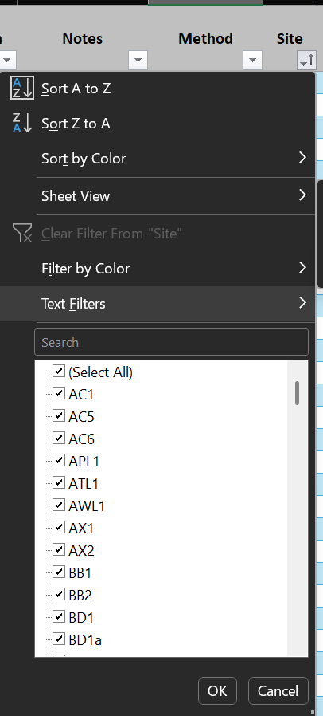 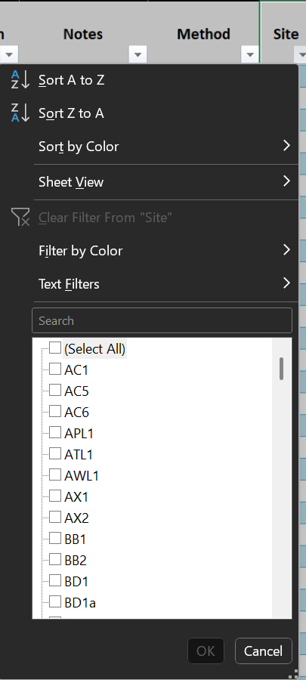 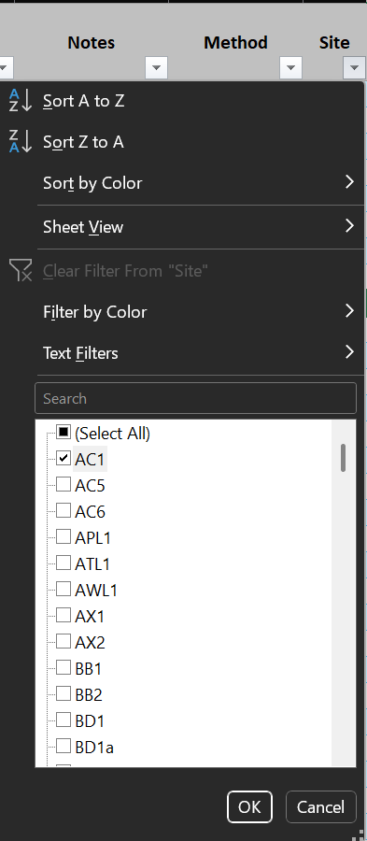

Deselect the
"Select All" option
Then select the
sites ( or other
parameters) of interest
Checkmarks should only
be next to the parameters
you wish to analyze.

Click OK
when done

Once you have selected the parameters of interest and have clicked okay, the excel sheet should update. Now, only entries with the parameters you selected should be visible on the sheet. See an example below:

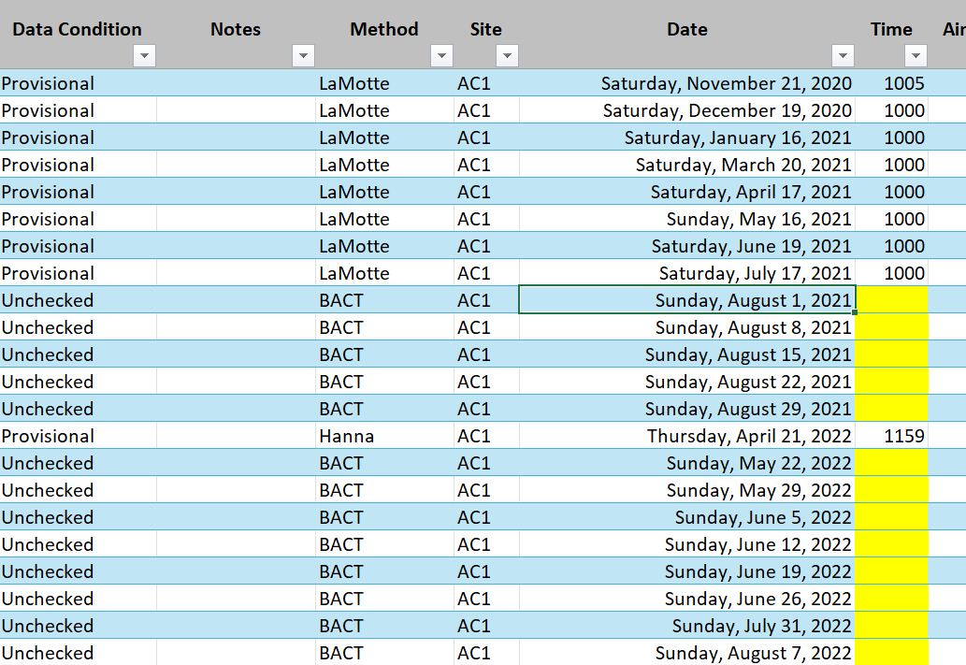

Identify your _____ vs _____

When analyzing a large dataset, choose two characteristics (or variables) that are relevant to your research question or objective. Look for traits that may have a logical or potential relationship—such as cause and effect, correlation, or contrast. It's helpful to begin with exploratory data analysis to identify patterns, trends, or variability across different variables. Consider the type of data (e.g., numerical vs. categorical) and how easy it is to visualize or interpret. Ultimately, selecting meaningful and insightful variables improves the clarity and impact of your analysis.

Step 2: Modeling

Modeling can be done inside excel or on alternate data visualization platforms .

Preparing Data

To prepare data for modeling, first select your parameters of interest. In this example, we will select one site (AC1), the date, and the water temperature. To select just one site, follow the instructions located in the "Creating Custom Subsets" section. Filter to just the desired site(s).

Then, create a new sheet for your custom subset. This can be done by clicking the plus sign (+) icon located at the bottom right of the excel window. The icon should look like this:

Once in the new sheet, you will need to copy over the data of interest. Again, make sure only sites you wish to analyze are selected. Select all the data of the parameter of interest by clicking the column header (usually represented by a capital letter) and pressing the control key and the C key if on a windows device, or command key and the C key if on an iOS device.

By clicking the H column header, which represents Water Temperature, I have selected the entirerity of the Water tempertaure data. Now, I can copy this data and paste into the new sheet I created earlier.

Once this data is copied, paste into the first avilable column in the new sheet you created. Remember, you can navigate between sheets using the tabs located at the bottom of the excel window. Paste by selecting the column header and pressing Ctrl C or Command C. Repeat for any parameters of interest.

Cleaning data

To clean the data, you will need to add filers. As described above, use the column headers to select all the parameters you have added to you new sheet. In this example, they are date and water temperature. Once all parameters are selected, navigate to the "Sort & Filter" dropdown, and click "Filter". This should allow you to select and deselect specific data entries. Now, evaluate each parameter indivudually. Click the filtering drop down (For more information on how to do this, refer to "Creating Custom Subsets"), and scroll until you find "(Blanks)". Deselect this. |  |  |  | 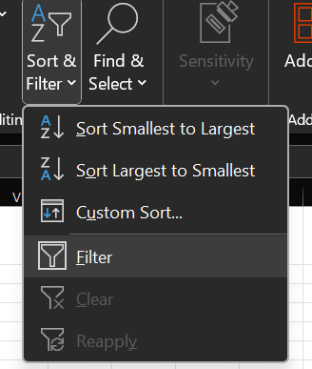

Formatting Dates

Dates in this sheet come automatically formatted in Day of the Week, Month Day, Year format. For easier analysis, we want to change the date to Month / Day / Year format. To do this, select the year column by clicking on the header. Then navigate to the formatting tab

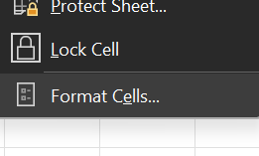 Scroll down to the bottom of the dropdown and click " Format Cells"

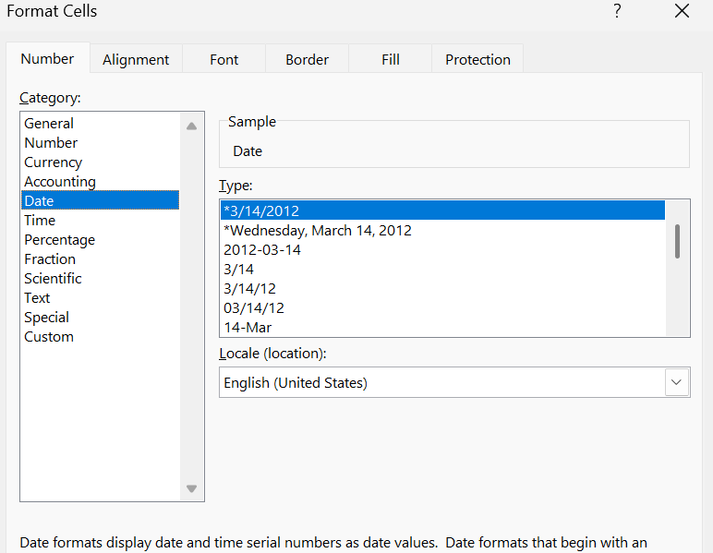 Under "Category", ensure that "Date" is selected. Then, to the right and listed under "Type", select 3/14/2012. Once these conditions are satisfied, click "OK" at the bottom of the popup. Now, the date should be correctly formatted.

Converting to a Table

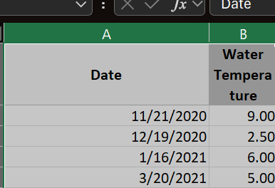 Ensure all your data is selected by clicking each column header in this case A and B) while holding shift.

Click the Table icon under the "Inset" tab. A popup tab will appear. Select "My table has headers" and click OK.

Your data should now appear with this blue and white repeted pattern. |  | 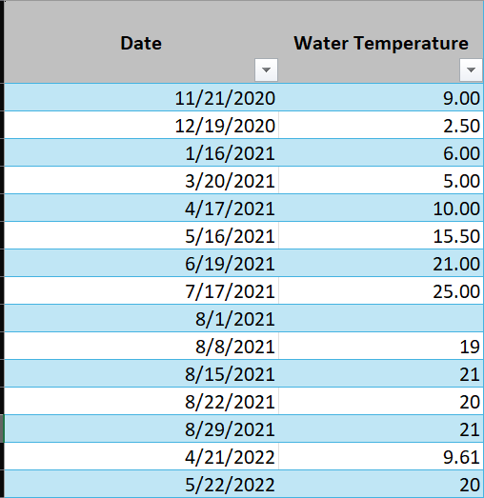

To proceed forward, you must once again filter out the blanks. Using this icon on each of your columns, search for and remove and "(Blanks)".

Modeling

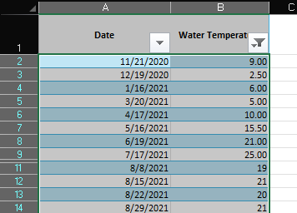
Highlight only the data entries of your columns, do not include the headers. Navigate to the "Insert" section of excel.

Select what type of chart you wish to visuaize your data with. If you are having trouble deciding, either refer to the guide below or click "Recommended Charts", which will provide some charts that may be a good fit based upon the trends and format of your data.
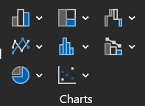

Common Chart Strengths and Weaknesses

Bar Chart Strengths: Great for comparing discrete categories. Easy to read and interpret. Works well for both small and large datasets. Weaknesses: Can become cluttered with too many bars. Not suitable for showing trends over time. |  |  | 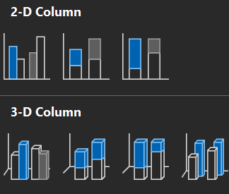 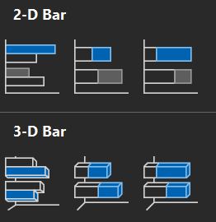

Line Graph Strengths: Ideal for showing trends over time. Good for continuous data. Easy to compare multiple lines. Weaknesses: Hard to read with too many lines. Not ideal for categorical data. |  |  | 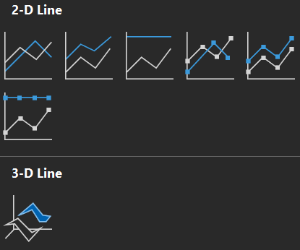 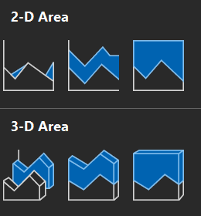

Pie Chart Strengths: Visually shows part-to-whole relationships. Simple and appealing when limited to a few categories. Weaknesses: Hard to compare slices. Ineffective with many or similarly sized categories. Can be misleading without percentages or labels. |  |  | 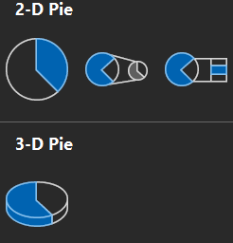 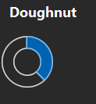

Scatter Plot Strengths: Shows relationships/correlations between two variables. Highlights outliers and data patterns. Weaknesses: Not useful for large datasets without transparency. Can be hard to interpret if points overlap too much. |  |  | 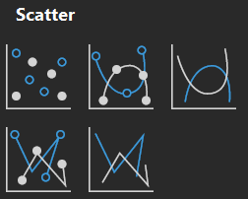 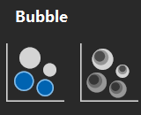

Histogram Strengths: Shows the distribution of a dataset. Great for visualizing frequency and spread. Weaknesses: Only works with numerical, continuous data. Choice of bin size can affect interpretation. |  |  | 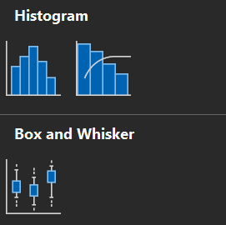

Box Plot (Box-and-Whisker) Strengths: Summarizes data with median, quartiles, and outliers. Great for comparing distributions across groups. Weaknesses: Not intuitive for general audiences. Doesn’t show the actual shape of the distribution.

Customize

Excel will generate a graph for you that is plain, and possibly unintuitive for analysis. Utilize excel customization features to make the graph easier to understand and better visually.

BEFORE
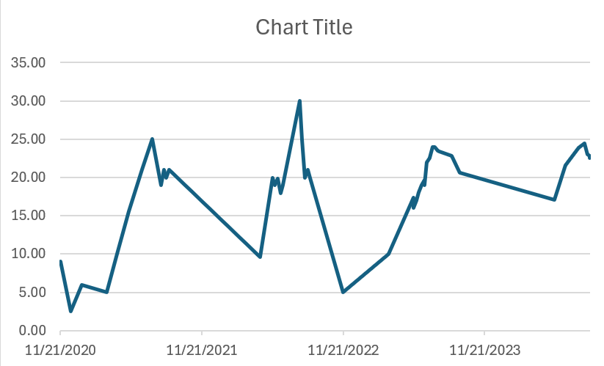

AFTER
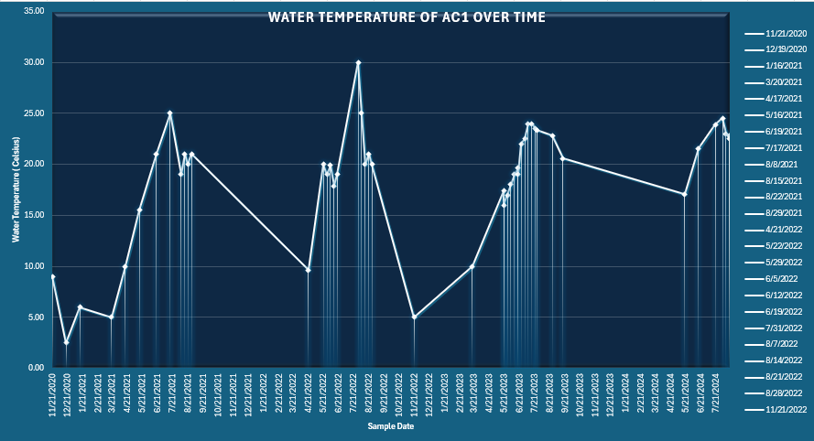

All of this can be done through the three icons that appear next to your chart. Select what elemtents and design features you wish for your graph to display. Additional features can be modified through the "Chart Design" tab | 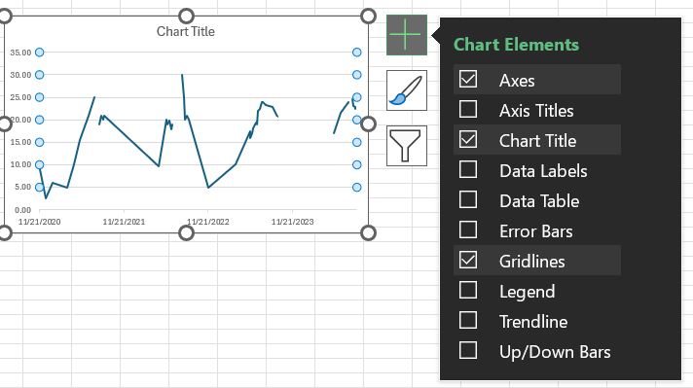

Analysis

Look at the Overall Shape or Pattern Is there a trend (e.g., upward or downward)? Are there peaks, valleys, or clusters? For pie or bar charts, which categories are largest or smallest? Focus on Key Data Points Look for highs and lows, outliers, or sharp changes. In a line graph, note when trends start, shift, or flatten. In a scatter plot, check for correlation or groupings. Make Comparisons Compare values between categories or time points. Ask: “Which is bigger?” “How much did it change?” or “Which group performs better?” Consider the Scale and Units A misleading scale can exaggerate or minimize differences. Always check the y-axis and x-axis intervals and starting points. Draw Conclusions Based on what you see, summarize the main insight. Try to answer: “What is the chart telling me?” or “What decision could this inform?” Think Critically Is there missing context or possible bias in how the data is displayed? Would a different type of chart tell the story better?

Examples

